Sheet1
 | N | L | r | a | p | v | FN
N | 1971 | 19 | 1 | 8 | 0 | 1 | 29 | 98.55%
L | 16 | 1940 | 2 | 23 | 9 | 10 | 60 | 97.00%
r | 8 | 3 | 1891 | 87 | 0 | 11 | 109 | 94.55%
a | 2 | 25 | 159 | 1786 | 16 | 12 | 214 | 89.30%
p | 0 | 24 | 4 | 8 | 1958 | 6 | 42 | 97.90%
v | 11 | 12 | 29 | 11 | 11 | 1926 | 74 | 96.30%
ground truth | 2000 | 2000 | 2000 | 2000 | 2000 | 2000 | 2000 | 95.60% | avrg
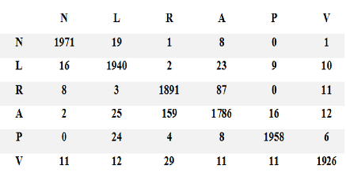
FP | 37 | 83 | 195 | 137 | 36 | 40 | 528
sum | 12000 | 2000
TP & TN | 11472
overallAcc. | 95.60% | 95.60%

sum FP | 528
sum FN | 528

precision=TP / (TP + FP) | 95.60%
sensitivity = TP / (TP + FN) | 95.60%
specificity = TN / (FP + TN) | 95.60%
F-score = 2*TP /(2*TP + FP + FN) | 95.60%
false positives, which are items incorrectly labeled as belonging to the class)
false negatives, which are items which were not labeled as belonging to the positive class but should have been)

for each class
class N
TP | 1971
TN | 9501
FP | 37
FN | 29
Acc | 99.43%
precision=TP / (TP + FP) | 98.16%
sensitivity = TP / (TP + FN) | 98.55%
specificity = TN / (FP + TN) | 99.61%
F-score = 2*TP /(2*TP + FP + FN) | 98.35%

class L
TP | 1940
TN | 9532
FP | 83
FN | 60
Acc | 98.77%
precision | 95.90%
sensitivity = TP / (TP + FN) | 97.00%
specificity = TN / (FP + TN) | 99.14%
F-score = 2*TP /(2*TP + FP + FN) | 96.45%

class R
TP | 1891
TN | 9581
FP | 195
FN | 109
Acc | 97.42%
precision | 90.65%
sensitivity = TP / (TP + FN) | 94.55%
specificity = TN / (FP + TN) | 98.01%
F-score = 2*TP /(2*TP + FP + FN) | 92.56%

class A
TP | 1786
TN | 9686
FP | 137
FN | 214
Acc | 97.03%
precision | 92.88%
sensitivity = TP / (TP + FN) | 89.30%
specificity = TN / (FP + TN) | 98.61%
F-score = 2*TP /(2*TP + FP + FN) | 91.05%

class P
TP | 1958
TN | 9514
FP | 36
FN | 42
Acc | 99.32%
precision | 98.19%
sensitivity = TP / (TP + FN) | 97.90%
specificity = TN / (FP + TN) | 99.62%
F-score = 2*TP /(2*TP + FP + FN) | 98.05%

class V
TP | 1926
TN | 9546
FP | 40
FN | 74
Acc | 99.02%
precision | 97.97%
sensitivity = TP / (TP + FN) | 96.30%
specificity = TN / (FP + TN) | 99.58%
F-score = 2*TP /(2*TP + FP + FN) | 97.13%

avrg acc of all classes | 98.50%

